MAKESHOPNCOMPANY
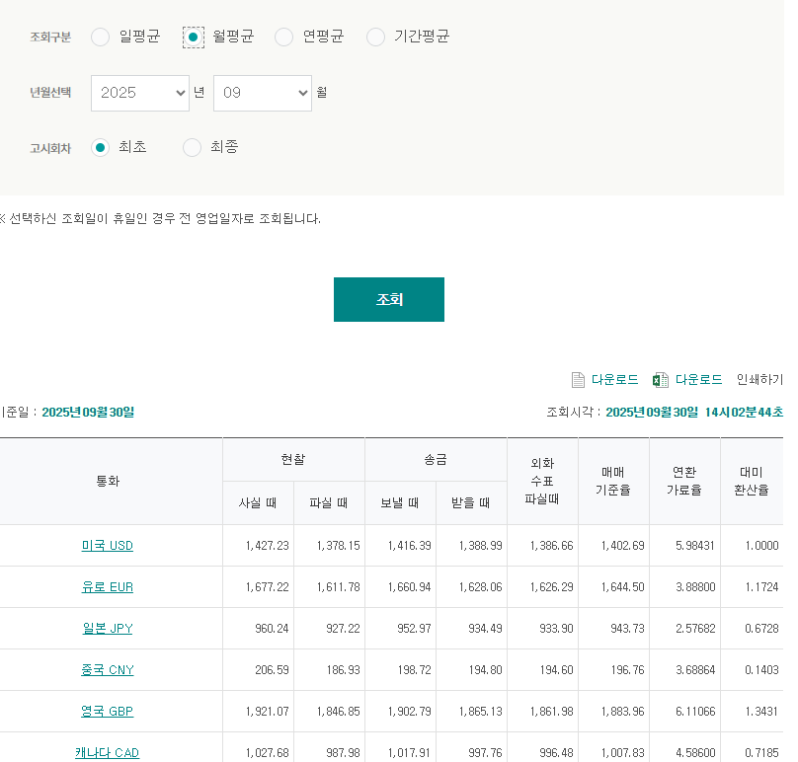
I N V O I C E
[ BIZ REG NO.: 116-81-31734 ]
INVOICE TO |  |  |  |  | LX Pantos co., Ltd. LG Gwanghwamoon B/D 4F, 58 Saemunana-ro, Jongno-gu SEOUL 150-876
Malltail, Inc (1052481) 350 S GRAND AVE STE 3580 LOS ANGELES, CA 90071. UNITED STATES
BIZ REGIST NO | DE3-16-94970 | ATTN. |  |  | INVOICE NO | IHQ210901703840 | INVOICE DT | 2025-09-30
 |  |  |  |  | PERIOD | 2025 / 09 / 01 ~ 2025 / 09 / 30 | DUE DT | 2025-10-31
 |  |  |  |  | BIZ MODE | Express | BOUND | Import

DESC. |  | Quantity(HBL) |  | Weight |  | TOTAL(KRW) |  | TOTAL(USD)
GBLHR - Shipping Fee |  | 963 |  | 963.0 |  |  |  | $17,437.04
GBLHR - W/H cost / #Sheet1(GB) |  |  |  |  |  |  |  | $592.27
GB보상 |  |  |  |  |  |  |  | $-
DEFRA - Shipping Fee |  | 541 |  | 1,726.6 |  |  |  | $12,026.01
MRN |  |  |  |  |  |  |  | $-
DE보상 |  |  |  |  |  |  |  | $-
T O T A L |  |  |  |  |  | ₩42,158,297 |  | $30,055.32
(USD / KEB Hana Bank) |  | 1,402.69
(EUR / KEB Hana Bank) |  | 1,644.50 |  | 1.1724

PLEASE REMIT TO |  |  | REMARK |  |  | LX Pantos Co., Ltd.
KRW - Woori Bank (우리은행) - 27898340318290 USD - 061JCD100107, EUR - 061JSD1026311 JPY - 061JCD100108, GBP - 640000059066 SGD - 640000059059, CNY - 650009543617 CAD - 650007344423 |  |  | * BANK DETAIL Beneficiary name : PANTOS LOGISTICS CO., LTD Bank name : KOREA EXCHANGE BANK. YOUIDO BR. Bank Address : DAE-O BUILDING. 26-5 YOUIDO-DONG, KU,SEOUL, KOREA Swift code : KOEXKRSE

 |  |  |  |  |  | Operator : | Jeongwoo Shin | jeongwoo.shin@pantos.com
 |  |  |  |  |  | Tel : | 02-6989-0479 | Fax :

